Sheet1
AMS Performance VR30 80mm Air Intakes Calibration Guide

The AMS Performance Calibration Team has developed this guide to provide professional tuners with accurate, repeatable, and proven data for the AMS 80mm Air Intakes on the VR30 platform. Unlike many aftermarket intake solutions that suffer from poor MAF placement, inconsistent orientation, and idle quality issues, our system was engineered from the ground up with calibration in mind. Support brackets and notched silicone couplers ensure precise MAF sensor alignment during installation, reducing variability and making tuning easier and more consistent across vehicles. Every curve, axis, and value included here has been validated through extensive flowbench testing and thousands of miles of on-vehicle development, ensuring stable idle quality, reliable drivability, and maximum performance potential. Calibration data is provided in an easy-to-use Excel format for quick copy-and-paste integration into your tuning software, and AMS technical resources are continually updated with the latest refinements. This guide outlines the correct use of the supplied AMS MAF calibration, ECU learning considerations, throttle airflow relearn procedures, and radiator fan strategy recommendations. By following these steps, tuners can save time dialing in MAF curves and focus on extracting the most performance from the VR30 platform.

Addressing Pre-Existing ECU Learning If the vehicle previously had non-OEM style intakes installed, the ECU may have “learned” offset values that create discrepancies between MAF sensor readings and Throttle Airflow (TAF) calculations. Identification: If logged MAF and TAF values differ by more than 0.5 g/sec at idle, this indicates an offset. Symptoms include idle surging (especially with electrical load) and oscillating Short-Term Fuel Trims (STFTs). A relearn is typically required if throttle angle at idle differs by more than ~1.5% between Bank 1 and Bank 2. Correction Method: Do not alter the AMS MAF calibration to correct this. Instead, perform a Throttle Airflow Learn procedure to reset idle airflow values. Throttle Airflow Relearn Procedure (using Nissan Consult or EcuTek ProECU “ECU Tools”): 1. Flash the new ECU calibration, including AMS MAF sensor tables. 2. Perform a full Diagnostic Trouble Code (DTC) clear. 3. Begin with a cold start (engine coolant temperature below 50°C). 4. Allow the engine to idle with A/C and accessories OFF until coolant temperature reaches 75°C. 5. Ensure all emissions-related strategies (e.g., Stratified Startup) are enabled in the calibration so the relearn executes correctly.

AMS Supplied MAF Calibration (Mandatory Use) The supplied AMS MAF calibration is a core component of the 80mm Air Intakes. Developed using our in-house flowbench and validated extensively with on-vehicle testing, it is engineered to be as accurate and reliable as possible. Only Adjust as Needed: The provided MAF calibration tables (MAF Sensor Q-Hz Conversion Bank 1 & Bank 2) are intended to be copied directly into the tuning software (e.g., EcuTek ProECU) without changes. Just as a factory calibration is trusted with an OEM intake, the AMS calibration should be the definitive setting for the AMS 80mm Air Intakes. These curves represent a highly accurate starting point derived from AMS bench testing and refinement on multiple vehicles. While some light fine-tuning may be necessary from car to car, the AMS calibration is engineered to minimize adjustments and ensure stable drivability. A Note on MAF Calibration on Oversized MAF Housings: Operating a vehicle with an improperly calibrated MAF curve can cause serious engine damage. Utilizing the MAF calibration data contaned herein is required when the AMS 80mm Air Intakes are installed without the provided OEM-sized insert sleeves. We recommend end-users utilize these OEM-sized inserts until after they have a custom calibration flashed with our 80mm MAF data. MAF Cal Notes: To support a wide range of tuning needs, AMS provides four MAF calibration curves: - Two calibrations use a modified input (Hz) axis to increase resolution in the airflow range where the MAF operates most frequently. - Two calibrations use the stock input axis for tuners who prefer the OEM-style format. Each axis option includes two MAF curves with different maximum airflow figures, allowing the ECU to extend the airflow calculation range as power levels increase. - Each calibration also includes corresponding “MAF Sensor Scale” values, which must be entered into the ECU as noted. - Once a curve is selected, the same axis and MAF curve must be app

AMS 80mm Intakes _ NEW AXIS (Stock Turbos) |  |  |  |  |  | AMS 80mm Intakes _ NEW AXIS (Upgraded Turbos) |  |  | AMS 80mm Intakes _ STOCK AXIS (Stock Turbos) |  |  | AMS 80mm Intakes _ STOCK AXIS (Upgraded Turbos)
MAF Sensor Scale (% to g/s) For LOAD |  |  |  | 138 |  | MAF Sensor Scale (% to g/s) For LOAD |  | 176 | MAF Sensor Scale (% to g/s) For LOAD |  | 138 | MAF Sensor Scale (% to g/s) For LOAD |  | 176
MAF Sensor Scale (% to g/s) For OBD |  |  |  | 274 |  | MAF Sensor Scale (% to g/s) For OBD |  | 350 | MAF Sensor Scale (% to g/s) For OBD |  | 274 | MAF Sensor Scale (% to g/s) For OBD |  | 350

MAF Sensor Q-Hz Conversion |  |  | HZ | % |  | MAF Sensor Q-Hz Conversion | HZ | % | MAF Sensor Q-Hz Conversion | HZ | % | MAF Sensor Q-Hz Conversion | HZ | %
 |  |  | 0 | 6.0165 |  |  | 0 | 5.8792 |  | 0 | 6.0226 |  | 0 | 5.8838
 |  |  | 501 | 6.0165 |  |  | 501 | 5.8792 |  | 501 | 6.0226 |  | 501 | 5.8838
 |  |  | 502 | 99.9985 |  |  | 502 | 99.9985 |  | 502 | 99.9985 |  | 502 | 99.9985
 |  |  | 980 | 99.9985 |  |  | 980 | 99.9985 |  | 1000 | 99.9985 |  | 1000 | 99.9985
 |  |  | 1000 | 99.9985 |  |  | 1000 | 97.2931 |  | 1064 | 97.5510 |  | 1064 | 81.8115
 |  |  | 1050 | 99.9985 |  |  | 1050 | 84.4543 |  | 1099 | 91.7404 |  | 1099 | 72.9889
 |  |  | 1100 | 91.4337 |  |  | 1100 | 72.7493 |  | 1136 | 81.4011 |  | 1136 | 64.8941
 |  |  | 1150 | 77.3880 |  |  | 1150 | 61.7523 |  | 1177 | 70.8557 |  | 1177 | 56.6391
 |  |  | 1200 | 65.1947 |  |  | 1200 | 52.2079 |  | 1220 | 61.0992 |  | 1220 | 49.0005
 |  |  | 1250 | 54.7684 |  |  | 1250 | 44.0445 |  | 1266 | 52.2385 |  | 1266 | 42.0639
 |  |  | 1300 | 46.8979 |  |  | 1300 | 37.8830 |  | 1299 | 47.1786 |  | 1299 | 38.1042
...
 |  |  | 2800 | 6.7398 |  |  | 2800 | 6.4453 |  | 5000 | 4.0100 |  | 5000 | 4.3091
 |  |  | 2900 | 6.5811 |  |  | 2900 | 6.3217 |  | 5263 | 3.7781 |  | 5263 | 4.1275
 |  |  | 3000 | 6.4865 |  |  | 3000 | 6.2469 |  | 5556 | 3.5461 |  | 5556 | 3.9459
 |  |  | 3100 | 6.4117 |  |  | 3100 | 6.1890 |  | 5882 | 3.2913 |  | 5882 | 3.7460
 |  |  | 3200 | 6.3492 |  |  | 3200 | 6.1401 |  | 6250 | 3.0212 |  | 6250 | 3.5339
 |  |  | 3300 | 6.3110 |  |  | 3300 | 6.1096 |  | 6667 | 2.7328 |  | 6667 | 3.3081
 |  |  | 3400 | 6.2332 |  |  | 3400 | 6.0486 |  | 7143 | 2.4246 |  | 7143 | 3.0670
 |  |  | 3500 | 6.0913 |  |  | 3500 | 5.9372 |  | 12500 | 0.0000 |  | 12500 | 1.1688

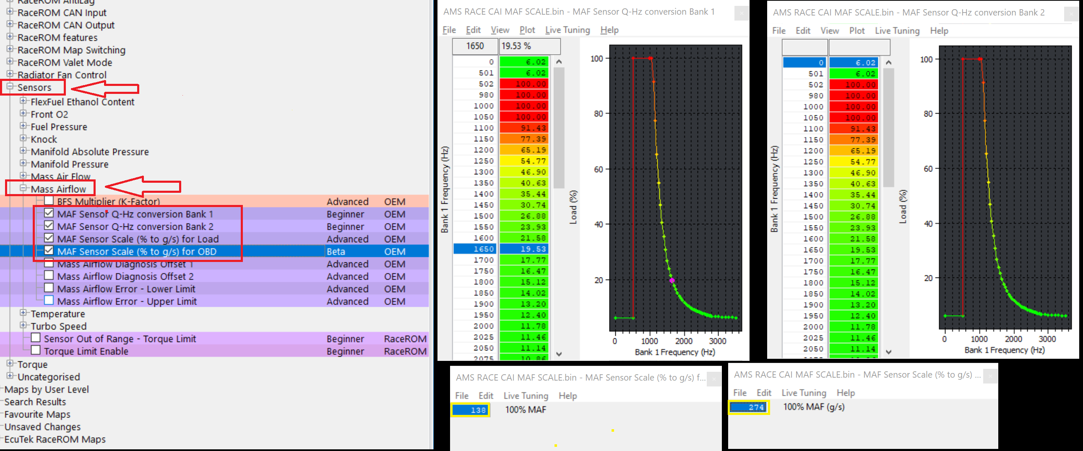

Recommended Radiator Fan Profile Because the AMS 80mm Air Intakes are an open element design, MAF sensors can be affected by turbulent airflow when radiator fans cycle aggressively. Recommendation: Set a base fan speed of 25–30% at lower coolant temps, then apply a smooth, progressive ramp as temps rise. Calibration tables are listed below for easy copy and pasting. Benefits: Stabilizes fuel trims and idle airflow calculations by reducing sudden airflow shifts across the MAF sensors. Bonus: Improves charge air cooling by maintaining consistent airflow across the front-mounted heat exchanger. Reliability: This fan strategy has been validated on hundreds of vehicles, including some exceeding 100,000 miles, with no impact on fan system longevity.
...
Radiator Fan Setting Recommendation
80 | 0 | 5 | 10 | 15 | 25 | 50 | 85
 |  |  |  |  |  |  | 85
Engine Demand Fan Speed - High Temp |  |  |  |  |  |  | 90
 | 1 | 2 | 3 | 4 | 5 | 6 | 90
0 | 30 | 31 | 35 | 50 | 75 | 100 | 100
20 | 20 | 23 | 27 | 42 | 63 | 83 | 100
50 | 10 | 15 | 20 | 33 | 50 | 67
80 | 0 | 8 | 14 | 25 | 38 | 50

